Narrative Notes + Flowcharts
Flowcharts

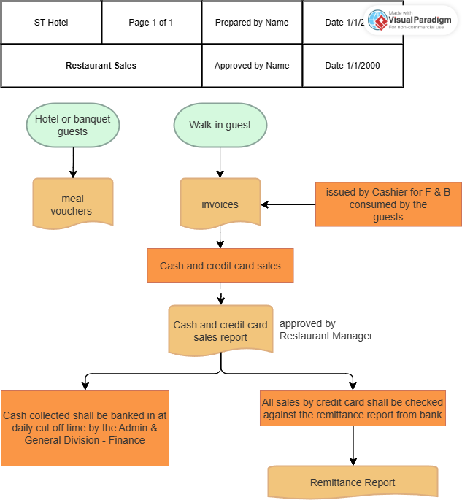

Narrative Notes:

DATE: 13 Jun 2023
Location: ST City Hotel, Restaurant Sales Department.

Objective: To assess the effectiveness of sales controls and identify potential risks or deficiencies.

Observations:
1. Voucher Redemption:
· Hotel or banquet guests who are entitled to complimentary meals, will be provided meal vouchers upon entering the restaurant.

2. Invoice Generation:
· For walk-in guests, invoices shall be issued by Cashier for F & B consumed by the guests

3. Cash and Credit Card Sales Report:
· The sales report will be approved by the Restaurant Manager
· After approval, cash collected is banked in daily at cut off time by the Admin & General Division – Finance.
· While all sales by credit card shall be checked against the remittance report from Bank by the Admin & General Division – Finance when the statements are received.

Recommendations:
1. Enhance security measures to prevent voucher fraud, such as implementing unique identification codes or barcodes on vouchers.
2. Implement periodic reconciliations of voucher records to ensure accurate tracking of issued and redeemed vouchers.
3. Establish regular cut-off testing to confirm sales are recorded in the correct accounting period.

Walk-through Test
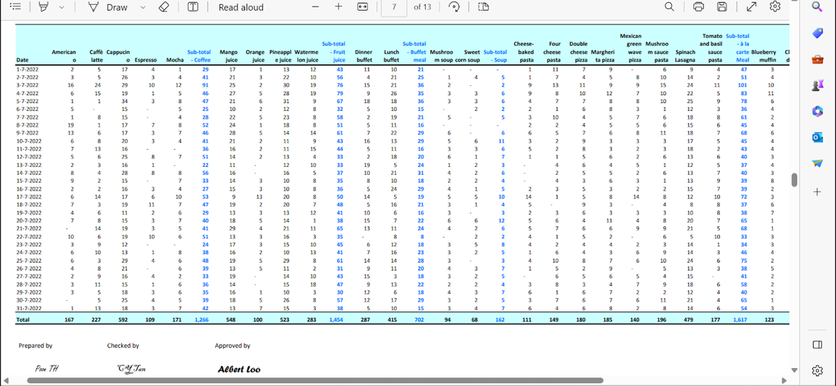
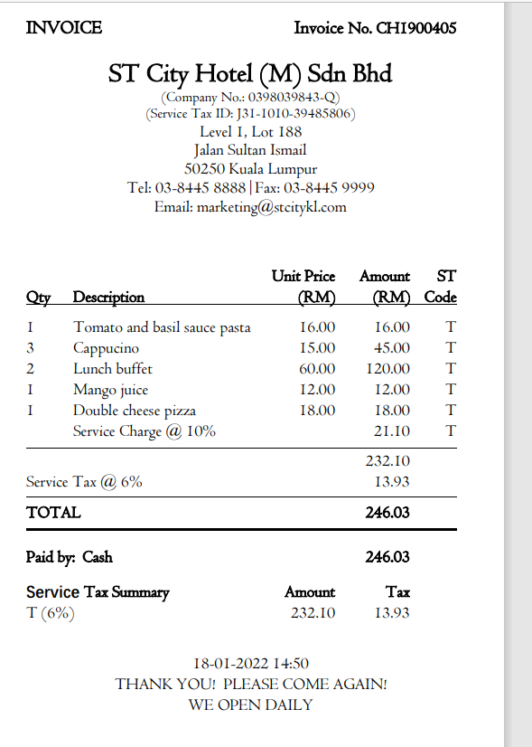
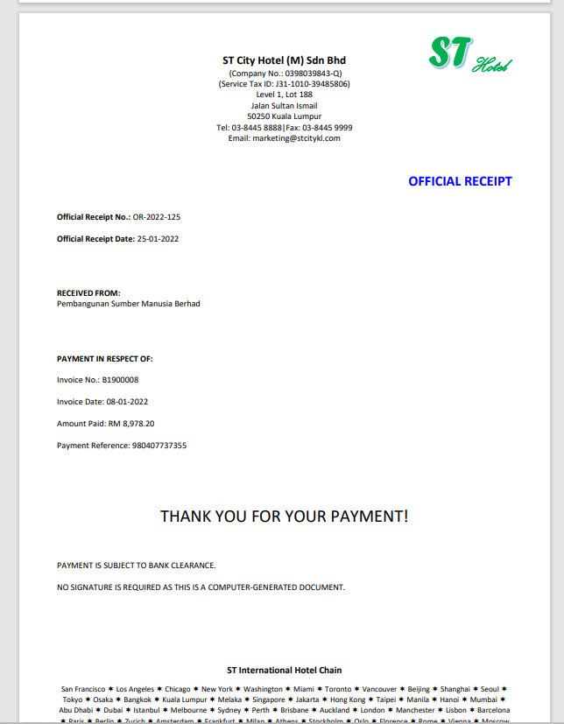
Walk-through test
Forward Sample

 | Ordering |  | Processing |  | Invoicing |  | Recording
1 | Sales department will issue a sales quotation upon request and it will be sent to the sales manager for approval. | 4 | Product sales should be recorded and these copies contains 3 parts: restaurant, customer, finance to check both the quantities and value in the sales report | 5 | The restaurant should issue invoices completely and agree to the sales report for the sales quantities which is agreed by 3 signatories | 8 | The confirmation of the payment should be reconciled to the system to ensure this has been recorded correctly

2 | The quotation should be approved a the company should issue matching the confirmation of order |  |  | 6 | The value of invoices should be checked and agreed to the sales report

 |  |  |  | 7 | This invoices should be approved and checked to ensure the completeness and accuracy
3 | The sale quotation should be retained and match to the finance department, warehouse, customer and the sales order department

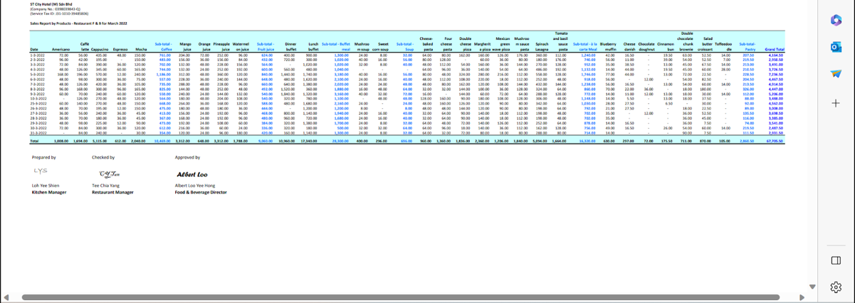

Backward Sample
 | Recording |  | Payment |  | Invoicing |  | Processing
1 | All sales by credit card will be checked against remmitance report from the Bank by the Admin & General Division - Finance when statements are received. | 4 | The customer pays through MBB Merchant Bank upon the issue of the invoice with approval code <139208>. | 5 | For walk-in guests, the cashier will issue an invoice <CH1907517> for the F&B consumed by the guests. | 6 | For hotel or banquest guests, the meal vouchers will be handed over by the customer to the restaurant upon entering the restaurant.

2 | Cash collected will be banked in at daily cut off time by the Admin & General Division - Finance.

3 | Cash and credit card sales report is approved by the Restaurant Manager.

 |  |  |  |  |  |  |  |  | Ordering
 |  |  |  |  |  |  |  | 7 | The restaurant issues meal vouchers to hotel or banquet guests who are entitled to complimentary meals.

